OFFER
 |  |  |  |  |  |  |  | 21,070 | € 142.82 | € 3,009,230.00
BRAND | DESIGN | COLOR | Article | Size | Weight | Pack | LEAD TIME | MOQ (pieces) | RRP | TTL RRP
Roberto Cavalli | ZEBRA | 001 grey | Set guest+hand towel | 40x60+60x100 | 430 gsm | Polybag | 150 days | 1,500 | 89.00 € | € 133,500.00
Roberto Cavalli | ZEBRA | 002 rust | Set guest+hand towel | 40x60+60x100 | 430 gsm | Polybag | 150 days | 1,500 | 89.00 € | € 133,500.00
Roberto Cavalli | GIAGUARO | 001 grey | Set guest+hand towel | 40x60+60x100 | 430 gsm | Polybag | 150 days | 1,500 | 89.00 € | € 133,500.00
Roberto Cavalli | GIAGUARO | 002 rust | Set guest+hand towel | 40x60+60x100 | 430 gsm | Polybag | 150 days | 1,500 | 89.00 € | € 133,500.00
Roberto Cavalli | SPIDER | 001 brown | Set guest+hand towel | 40x60+60x100 | 430 gsm | Polybag | 150 days | 1,500 | 89.00 € | € 133,500.00
Roberto Cavalli | SPIDER | 002 ivory | Set guest+hand towel | 40x60+60x100 | 430 gsm | Polybag | 150 days | 1,500 | 89.00 € | € 133,500.00
Roberto Cavalli | SPIDER | 003 red | Set guest+hand towel | 40x60+60x100 | 430 gsm | Polybag | 150 days | 1,500 | 89.00 € | € 133,500.00
Roberto Cavalli | ZEBRA | 001 grey | Bath sheet | 100x180 | 430 gsm | Polybag | 150 days | 1,000 | 149.00 € | € 149,000.00
Roberto Cavalli | ZEBRA | 002 rust | Bath sheet | 100x180 | 430 gsm | Polybag | 150 days | 1,000 | 149.00 € | € 149,000.00
Roberto Cavalli | GIAGUARO | 001 grey | Bath sheet | 100x180 | 430 gsm | Polybag | 150 days | 1,000 | 149.00 € | € 149,000.00
Roberto Cavalli | GIAGUARO | 002 rust | Bath sheet | 100x180 | 430 gsm | Polybag | 150 days | 1,000 | 149.00 € | € 149,000.00
Roberto Cavalli | SPIDER | 001 brown | Bath sheet | 100x180 | 430 gsm | Polybag | 150 days | 1,000 | 149.00 € | € 149,000.00
Roberto Cavalli | SPIDER | 002 ivory | Bath sheet | 100x180 | 430 gsm | Polybag | 150 days | 1,000 | 149.00 € | € 149,000.00
Roberto Cavalli | SPIDER | 003 red | Bath sheet | 100x180 | 430 gsm | Polybag | 150 days | 1,000 | 149.00 € | € 149,000.00
Roberto Cavalli | ZEBRA | 001 | Bathrobe | S/M | 410 gsm | Polybag | 150 days | 170 | 289.00 € | € 49,130.00
Roberto Cavalli | ZEBRA | 002 | Bathrobe | S/M | 410 gsm | Polybag | 150 days | 170 | 289.00 € | € 49,130.00
Roberto Cavalli | ZEBRA | 001 | Bathrobe | L/XL | 410 gsm | Polybag | 150 days | 170 | 289.00 € | € 49,130.00
Roberto Cavalli | ZEBRA | 002 | Bathrobe | L/XL | 410 gsm | Polybag | 150 days | 170 | 289.00 € | € 49,130.00
Roberto Cavalli | ZEBRA | 001 | Bathrobe | XXL | 410 gsm | Polybag | 150 days | 170 | 289.00 € | € 49,130.00
Roberto Cavalli | ZEBRA | 002 | Bathrobe | XXL | 410 gsm | Polybag | 150 days | 170 | 289.00 € | € 49,130.00
Roberto Cavalli | GIAGUARO | 001 | Bathrobe | S/M | 410 gsm | Polybag | 150 days | 170 | 289.00 € | € 49,130.00
Roberto Cavalli | GIAGUARO | 002 | Bathrobe | S/M | 410 gsm | Polybag | 150 days | 170 | 289.00 € | € 49,130.00
Roberto Cavalli | GIAGUARO | 001 | Bathrobe | L/XL | 410 gsm | Polybag | 150 days | 170 | 289.00 € | € 49,130.00
Roberto Cavalli | GIAGUARO | 002 | Bathrobe | L/XL | 410 gsm | Polybag | 150 days | 170 | 289.00 € | € 49,130.00
Roberto Cavalli | GIAGUARO | 001 | Bathrobe | XXL | 410 gsm | Polybag | 150 days | 170 | 289.00 € | € 49,130.00
Roberto Cavalli | GIAGUARO | 002 | Bathrobe | XXL | 410 gsm | Polybag | 150 days | 170 | 289.00 € | € 49,130.00
Roberto Cavalli | SPIDER | 001 brown | Bathrobe | S/M | 410 gsm | Polybag | 150 days | 170 | 289.00 € | € 49,130.00
Roberto Cavalli | SPIDER | 002 ivory | Bathrobe | S/M | 410 gsm | Polybag | 150 days | 170 | 289.00 € | € 49,130.00
Roberto Cavalli | SPIDER | 003 red | Bathrobe | S/M | 410 gsm | Polybag | 150 days | 170 | 289.00 € | € 49,130.00
Roberto Cavalli | SPIDER | 001 brown | Bathrobe | L/XL | 410 gsm | Polybag | 150 days | 170 | 289.00 € | € 49,130.00
Roberto Cavalli | SPIDER | 002 ivory | Bathrobe | L/XL | 410 gsm | Polybag | 150 days | 170 | 289.00 € | € 49,130.00
Roberto Cavalli | SPIDER | 003 red | Bathrobe | L/XL | 410 gsm | Polybag | 150 days | 170 | 289.00 € | € 49,130.00
Roberto Cavalli | SPIDER | 001 brown | Bathrobe | XXL | 410 gsm | Polybag | 150 days | 170 | 289.00 € | € 49,130.00
Roberto Cavalli | SPIDER | 002 ivory | Bathrobe | XXL | 410 gsm | Polybag | 150 days | 170 | 289.00 € | € 49,130.00
Roberto Cavalli | SPIDER | 003 red | Bathrobe | XXL | 410 gsm | Polybag | 150 days | 170 | 289.00 € | € 49,130.00

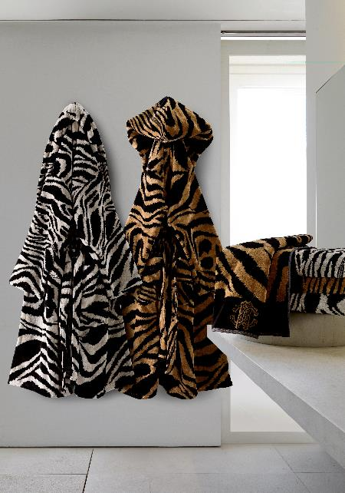
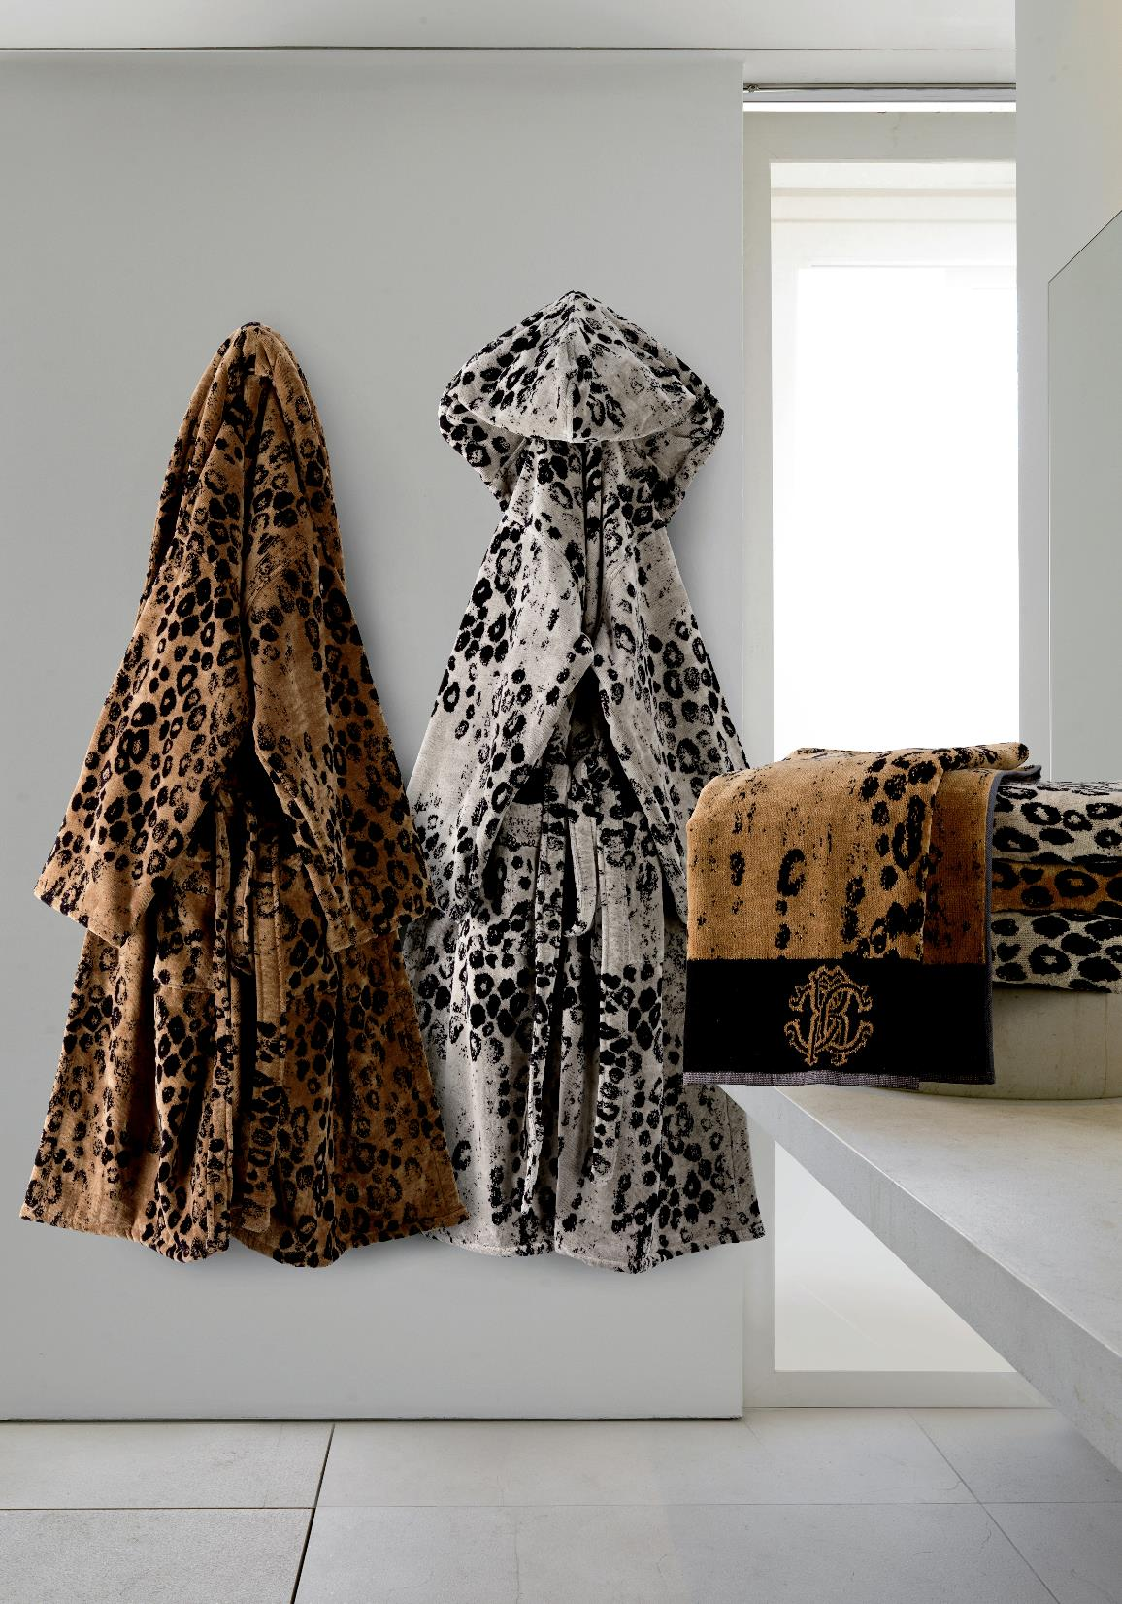
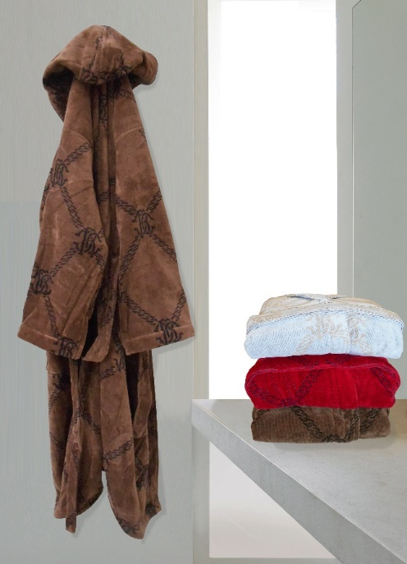

 |  |  | ZEBRA |  |  |  |  |  | GIAGUARO

